Plan1
 |  | Pot de saída | 10070.143395
Vi | 600
Io_rms | 17 |  |  | Ref: Analytical Modeling of Semiconductor Losses in Matrix Converter
Vout_rms | 380
Vceo | 1.7
Vfo | 1.3 |  |  | P_cond | 201.90639637
Io | 24.04163056
rce | 0.037
rf | 0.037 |  |  | P_sw | 171.84317444
fs | 20000
Eon_t | 0.0014 | p/ 125ºC, 600V e 40A
Eoff_t | 0.0018 | p/ 125ºC, 600V e 40A |  | Total | 373.74957081
Err_d | 0.0016 |  |  |  |  |  | Rendimento | 96.289%
V_data | 600
I_data | 40
 |  |  |  | Ref: Semiconductor Power Loss Comparison of Space-Vector Modulated Direct and Indirect Matrix Converter
k0 | -0.3142
k1 | 0.682 |  |  | Pcon | 119.26345244
k2 | -0.0555
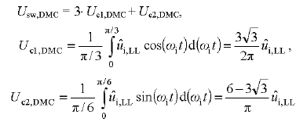
k3 | 0.0017 |  |  | Usw_dmc | 1040.0040109
 |  |  |  | P_sw | 70.72027274
 |  | y = 0,0017x3 - 0,0555x2 + 0,682x - 0,3154

 |  |  |  | Total | 189.98372518

 |  |  |  |  |  |  | Rendimento | 98.113%

 |  |  |  | Ref: Analysis and evaluation of bi-directional power switch losses for matrix converter drive

 |  |  |  | Pcond/fase | 67.302132124 | Total | 201.90639637

 |  |  |  | P_sw | 49.606851511 | Total | 148.82055453

 |  |  |  |  |  | Total | 350.72695091

 |  |  |  |  |  | Rendimento | 96.517%

Plan2
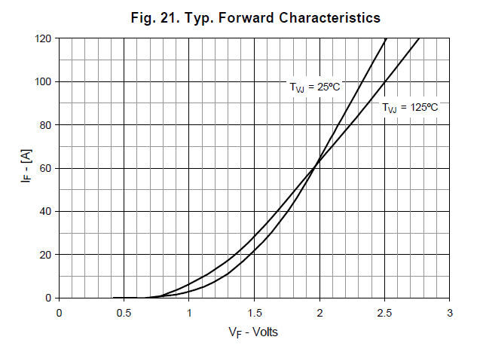
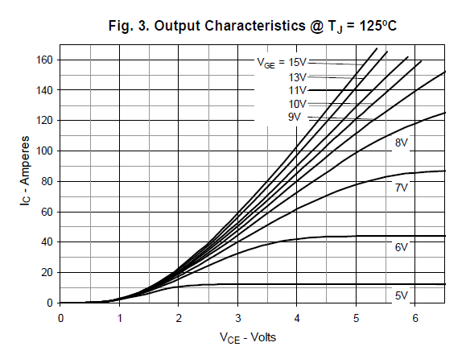

x | y
0 | 0
1.1 | 5
1.45 | 10
1.75 | 15
1.9 | 20
2.1 | 25 | 1.4646125
2.2 | 30
2.4 | 35
2.5 | 40
2.6 | 45
2.75 | 50
2.85 | 55
3 | 60
3.15 | 65
3.25 | 70
3.45 | 75
3.5 | 80

 | 3.5

Plan3
 |  | Mec B
 |  |  | Pot de saída | 16666.8
 | Vi | 600 |  |  | Mec C |  |  | Mec D
 | Io_rms | 17 | 24 | 31 | 38 | 45 |  |  |  | Ref: Analytical Modeling of Semiconductor Losses in Matrix Converter
 | Vout_rms | 380
 | Vceo | 1.7 | 2 | 2.2 | 2.4 | 2.7
 | Vfo | 1.3 | 1.4 | 1.55 | 1.6 | 1.75 |  |  |  | P_cond | 201.90639637
 | Io | 24.04163056 | 33.941125497 | 43.840620434 | 53.74011537 | 63.639610307
 | rce | 0.037 | 0.037 | 0.037 | 0.037 | 0.037
 | rf | 0.037 | 0.037 | 0.037 | 0.037 | 0.037

 | Eon_t | 0.0014 | p/ 125ºC, 600V e 40A
 | Eoff_t | 0.0018 | p/ 125ºC, 600V e 40A |  |  |  |  |  |  | Total | 373.74957081
 | Err_d | 0.0016 |  |  |  |  |  |  |  |  |  |  | Rendimento | 97.758%
 | V_data | 600
 | I_data | 40
Perdas do conversor DMC
 | k0 | -0.3142
 | k1 | 0.682
 | k2 | -0.0555
 | k3 | 0.0017

 |  |  |  |  | 17A | 24A | 31A | 38A | 45A
 | fs | 20000 |  | P_sw | 171.84317444 | 242.60212862 | 313.36108281 | 384.12003699 | 454.87899117
 |  | 25000 |  |  | 214.80396805 | 303.25266078 | 391.70135351 | 480.15004624 | 568.59873896
 |  | 30000 |  |  | 257.76476166 | 363.90319294 | 470.04162421 | 576.18005548 | 682.31848676
 |  | 35000 |  |  | 300.72555527 | 424.55372509 | 548.38189491 | 672.21006473 | 796.03823455
 |  | 40000 |  |  | 343.68634888 | 485.20425725 | 626.72216561 | 768.24007398 | 909.75798234
 |  | 45000 |  |  | 386.64714249 | 545.8547894 | 705.06243631 | 864.27008322 | 1023.4777301
 |  | 50000 |  |  | 429.60793611 | 606.50532156 | 783.40270702 | 960.30009247 | 1137.1974779
 |  |  |  | P_cond | 201.90639637 | 348.2694342 | 527.32731526 | 731.11224017 | 990.41502693
 | 20k Hz | 25k Hz | 30k Hz | 35k Hz | 40k Hz | 45k Hz | 50k Hz
17A | 373.74957081 | 416.71036442 | 459.67115804 | 502.63195165 | 545.59274526 | 588.55353887 | 631.51433248
24A | 590.87156282 | 651.52209498 | 712.17262713 | 772.82315929 | 833.47369144 | 894.1242236 | 954.77475576
31A | 840.68839807 | 919.02866877 | 997.36893947 | 1075.7092102 | 1154.0494809 | 1232.3897516 | 1310.7300223
38A | 1115.2322772 | 1211.2622864 | 1307.2922957 | 1403.3223049 | 1499.3523141 | 1595.3823234 | 1691.4123326
45A | 1445.2940181 | 1559.0137659 | 1672.7335137 | 1786.4532615 | 1900.1730093 | 2013.8927571 | 2127.6125049
 |  |  |  |  | 201.90639637 | 348.2694342 | 527.32731526 | 731.11224017 | 990.41502693
 |  |  |  |  | 201.90639637 | 348.2694342 | 527.32731526 | 731.11224017 | 990.41502693
 |  |  |  |  | 201.90639637 | 348.2694342 | 527.32731526 | 731.11224017 | 990.41502693
 |  |  |  |  | 201.90639637 | 348.2694342 | 527.32731526 | 731.11224017 | 990.41502693
 |  |  |  |  | 201.90639637 | 348.2694342 | 527.32731526 | 731.11224017 | 990.41502693
 |  |  |  |  | 201.90639637 | 348.2694342 | 527.32731526 | 731.11224017 | 990.41502693
 |  |  | 20k Hz | Total | 373.74957081 | 590.87156282 | 840.68839807 | 1115.2322772 | 1445.2940181
 |  |  | 25k Hz |  | 416.71036442 | 651.52209498 | 919.02866877 | 1211.2622864 | 1559.0137659
 |  |  | 30k Hz |  | 459.67115804 | 712.17262713 | 997.36893947 | 1307.2922957 | 1672.7335137
 |  |  | 35k Hz |  | 502.63195165 | 772.82315929 | 1075.7092102 | 1403.3223049 | 1786.4532615
 |  |  | 40k Hz |  | 545.59274526 | 833.47369144 | 1154.0494809 | 1499.3523141 | 1900.1730093
 |  |  | 45k Hz |  | 588.55353887 | 894.1242236 | 1232.3897516 | 1595.3823234 | 2013.8927571
 |  |  | 50k Hz |  | 631.51433248 | 954.77475576 | 1310.7300223 | 1691.4123326 | 2127.6125049

 |  |  |  | Por IGBT | 20.763865045 | 32.826197934 | 46.704911004 | 61.957348731 | 80.294112117
 |  |  |  |  | 23.150575801 | 36.195671943 | 51.057148265 | 67.292349245 | 86.611875883
 |  |  |  |  | 25.537286558 | 39.565145952 | 55.409385526 | 72.627349758 | 92.929639649
 |  |  |  |  | 27.923997314 | 42.93461996 | 59.761622787 | 77.962350272 | 99.247403416
 | Tj | 135 |  |  | 30.31070807 | 46.304093969 | 64.113860048 | 83.297350786 | 105.56516718
 | Rjc | 0.25 |  |  | 32.697418826 | 49.673567978 | 68.46609731 | 88.6323513 | 111.88293095
 |  |  |  |  | 35.084129582 | 53.043041986 | 72.818334571 | 93.967351813 | 118.20069471
 |  | Rjc IGBT | Rjc Diodo |  |  |  |  |  |  |  | fs |  | 17A | 24A | 31A | 38A | 45A
20 | 0.0000500 | 0.0065 | 0.042 | Tc máx (ºC) | 129.81 | 126.79 | 123.32 | 119.51 | 114.93 |  | 20k Hz | Perdas Totais (W) | 373.75 | 590.87 | 840.69 | 1115.23 | 1445.29
25 | 0.0000400 | 0.0058 |  |  | 129.21 | 125.95 | 122.24 | 118.18 | 113.35 |  | 25k Hz |  | 416.71 | 651.52 | 919.03 | 1211.26 | 1559.01
30 | 0.0000333 | 0.005 |  |  | 128.62 | 125.11 | 121.15 | 116.84 | 111.77 |  | 30k Hz |  | 459.67 | 712.17 | 997.37 | 1307.29 | 1672.73
35 | 0.0000286 | 0.0045 |  |  | 128.02 | 124.27 | 120.06 | 115.51 | 110.19 |  | 35k Hz |  | 502.63 | 772.82 | 1075.71 | 1403.32 | 1786.45
40 | 0.0000250 | 0.004 |  |  | 127.42 | 123.42 | 118.97 | 114.18 | 108.61 |  | 40k Hz |  | 545.59 | 833.47 | 1154.05 | 1499.35 | 1900.17
45 | 0.0000222 | 0.0039 |  |  | 126.83 | 122.58 | 117.88 | 112.84 | 107.03 |  | 45k Hz |  | 588.55 | 894.12 | 1232.39 | 1595.38 | 2013.89
50 | 0.0000200 | 0.0037 |  |  | 126.23 | 121.74 | 116.80 | 111.51 | 105.45 |  | 50k Hz |  | 631.51 | 954.77 | 1310.73 | 1691.41 | 2127.61

 |  |  |  | Rendimento (%) |  |  |  |  |  |  | fs |  | 17A | 24A | 31A | 38A | 45A
 |  |  |  | fs | 17 | 24 | 31 | 38 | 45 |  | 20k Hz | Perdas por IGBT (W) | 20.76 | 32.83 | 46.70 | 61.96 | 80.29
 |  |  |  | 20k Hz | 0.96288537748 | 0.95843812672 | 0.95421885749 | 0.95045555129 | 0.94578031901 |  | 25k Hz |  | 23.15 | 36.20 | 51.06 | 67.29 | 86.61
 |  |  |  | 25k Hz | 0.95861922238 | 0.95417197162 | 0.94995270239 | 0.94618939619 | 0.94151416391 |  | 30k Hz |  | 25.54 | 39.57 | 55.41 | 72.63 | 92.93
 |  |  |  | 30k Hz | 0.95435306728 | 0.94990581652 | 0.94568654729 | 0.94192324109 | 0.93724800881 |  | 35k Hz |  | 27.92 | 42.93 | 59.76 | 77.96 | 99.25
 |  |  |  | 35k Hz | 0.95008691218 | 0.94563966142 | 0.94142039218 | 0.93765708599 | 0.93298185371 |  | 40k Hz |  | 30.31 | 46.30 | 64.11 | 83.30 | 105.57
 |  |  |  | 40k Hz | 0.94582075708 | 0.94137350632 | 0.93715423708 | 0.93339093089 | 0.92871569861 |  | 45k Hz |  | 32.70 | 49.67 | 68.47 | 88.63 | 111.88
 |  |  |  | 45k Hz | 0.94155460198 | 0.93710735122 | 0.93288808198 | 0.92912477579 | 0.92444954351 |  | 50k Hz |  | 35.08 | 53.04 | 72.82 | 93.97 | 118.20
 |  |  |  | 50k Hz | 0.93728844688 | 0.93284119612 | 0.92862192688 | 0.92485862069 | 0.92018338841
 |  |  |  |  |  |  |  |  |  | fs |  | 17A | 24A | 31A | 38A | 45A
 |  |  |  |  |  |  |  |  |  | 20k Hz | Tc máx (ºC) | 129.81 | 126.79 | 123.32 | 119.51 | 114.93
 |  |  |  |  |  |  |  |  |  | 25k Hz |  | 129.21 | 125.95 | 122.24 | 118.18 | 113.35
 |  |  |  |  |  |  |  |  |  | 30k Hz |  | 128.62 | 125.11 | 121.15 | 116.84 | 111.77
 |  |  |  |  |  |  |  |  |  | 35k Hz |  | 128.02 | 124.27 | 120.06 | 115.51 | 110.19
 |  |  |  |  |  |  |  |  |  | 40k Hz |  | 127.42 | 123.42 | 118.97 | 114.18 | 108.61
 |  |  |  |  |  |  |  |  |  | 45k Hz |  | 126.83 | 122.58 | 117.88 | 112.84 | 107.03
 |  |  |  |  |  |  |  |  |  | 50k Hz |  | 126.23 | 121.74 | 116.80 | 111.51 | 105.45
 |  |  |  |  |  |  |  |  |  | Considerado Tj = 135ºC e Rjc = 0,25 ºC/W

